Executive Summary
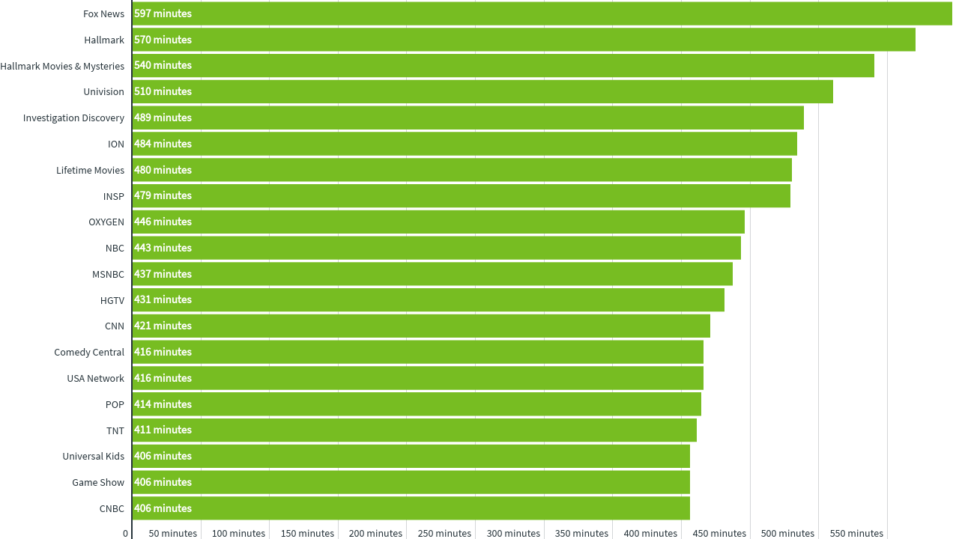
COVID-19: NHL Audience Trends
Executive Summary
Many brands and organizations are looking to respond to the COVID-19 pandemic with precise targeting and sound demographic intelligence.
In this analysis we identify network & daypart viewership trends among NHL audiences during the COVID-19 pandemic.

Key Insights
• Primetime is seeing the most overall segment reach; however, Daytime and Weekend Afternoon saw the greatest WoW increases in NHL audience viewership.
• Despite seeing early growth, Overnight appears to be slowing down with its first WoW decrease in viewership since the COVID-19 pandemic began.
• Late Fringe AM appears to be picking up some of the slack as it has seen growth in viewership over the past 2 weeks, particulary on NBC.
• With late night programming like Jimmy Fallon and Seth Meyers, NBC Late Fringe AM saw decent reach (12%) and continued to growth in viewership WoW (+4%).
• While ABC, CBS, FOX and NBC Primetime are seeing the most reach among NHL audiences, viwership is waning for some of those networks WoW.
• NBC (-21%) and ABC (-7%) Primetime are seeing WoW decreases in average time viewed.
• Conversely, CBS saw a +20% WoW increase in average minutes watched during Primetime while leading all broadcast networks in average minutes viewed (70 minutes).
• FOX Primetime ranked 4th among the broadcast networks in segment reach, but saw a +13% WoW increase in viewership.
• When looking at Cable News, Fox News outperformed CNN, MSNBC and CNBC in terms of segment reach and average time viewed.
• In particular, Fox News Early Fringe (+9%) and Primetime (+11%) are seeing WoW increases in average time viewed while also seeing 16% reach within the NHL segment.
• Although Fox News performed best across all dayparts, CNN Primetime remains a decent network daypart combo for NHL audiences with 12% reach and +9% increase in average time viewed.

Top 20 Networks by NHL Audience Viewership

Methodology
2019 NHL VIEWING SEGMENT
MON MAR 30 THROUGH SUN APR 5

For this analysis we created a segment of TV viewing households that watched at least four games during the 2020 NHL season before the season was suspended. iSpot's proprietary media measurement platform allows us to understand the networks and dayparts that those households are currently viewing, providing our clients the ability to target that same valuable audience today.

Glossary:

Network Family | The name of the media holding company that owns the Network.
Network | The name of the network where the media is being delivered.
Daypart | The daypart when the media is being delivered. See daypart definitions below (all times in EST):


Category | The type or genre of the primary programming of the Network. Classified as the following: Network (National), Sports, News, Children, Spanish or General Cable.
 | Please note that Network represents national programming on the broadcast networks (i.e. local news is excluded from this report).

Weekly Segment Reach | The weekly total reach of a given network/daypart combination for households that watched at least four games during the 2020 NHL season.

Incremental Segment Reach | The relative difference in reach percentage of the segment against the reach percentage of the general population for the network/daypart.

Avg Time Viewed | The average number of minutes that the segment spent watching a network/daypart combination during the week. This number only include those that are in the segment AND tuned into this network/daypart at least once during the week - in other words, the average does not include zeros for those who didn't tune in at all.

WoW Change in Time Viewed | The relative difference in viewership time for a network/daypart compared to the prior week.

Incremental Net,Day Reach Chart
Incremental Segment Reach - 3.30-4.6
 | Total
Galavision | -0.93014480349
UniMas | -0.90967309349
Univision | -0.88991328242
BET Her | -0.84759722552
Telemundo | -0.83048615183
TUDN | -0.80677861646
ESPN Deportes | -0.79599597224
BET | -0.72808470132
TV ONE | -0.70841562306
VH1 | -0.69093749749
NBC Universo | -0.67021283322
Cartoon Network | -0.56116556007
Lifetime Movies | -0.52010302432
Oprah Winfrey Network | -0.49224722437
MTV2 | -0.45803542003
MyNetworkTV | -0.38086439813
INSP | -0.35753049899
Disney Channel | -0.33202545499
Disney Junior US | -0.27037833564
Disney XD | -0.25822646404
Hallmark Movies & Mysteries | -0.24992596798
Nick Toons | -0.24256774128
Nick Jr. | -0.2330893436
Nick | -0.2209517544
Investigation Discovery | -0.21824973646
Hallmark | -0.21493127524
WE TV | -0.20593091256
Lifetime | -0.19524402032
RFD TV | -0.17675221813
OXYGEN | -0.15213208743
TLC | -0.12265540414
Universal Kids | -0.094738960068
E! | -0.081024153356
Headline News | -0.056125578288
UP TV | -0.049433620585
Nick@Nite | -0.03442431388
Discovery Family Channel | -0.019870276902
Logo | -0.0070437064926
ION | -0.00058826801367
Game Show | 0.044558827275
Adult Swim | 0.049678888756
MSNBC | 0.060662326227
Travel | 0.071617726323
BRAVO | 0.073743794837
CW | 0.076823084643
National Geographic Wild | 0.082400092937
FOX | 0.09573017615
ABC | 0.095938358048
A&E | 0.12705578872
CNN | 0.13069819914
...

